Print Page 1
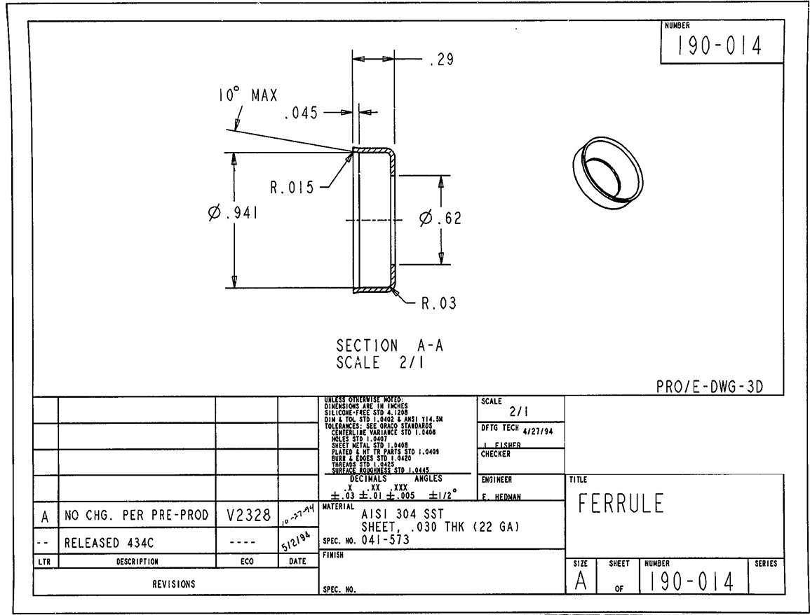

3
5
4

1
6
2

7

